Sheet1
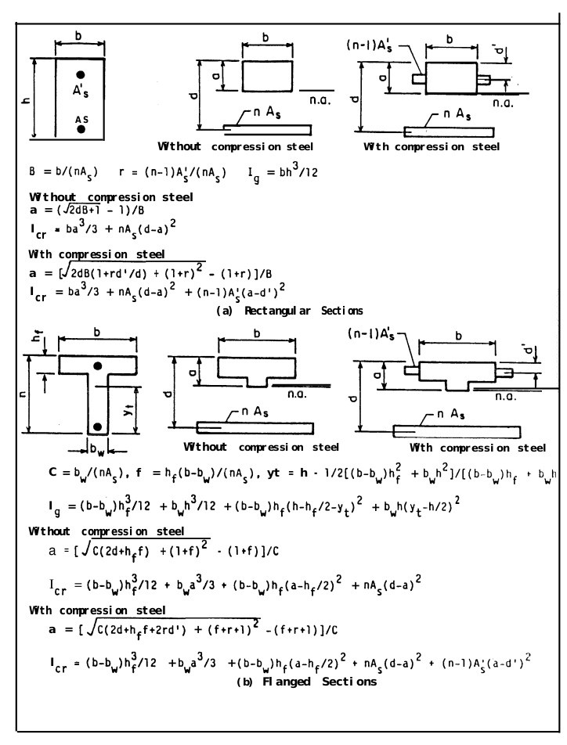
Ec | 2.71 | Units for Ec and Es should be the same, it doesn’t matter what since they are used to calculate n
Es | 19.8
h (height) | 304.8 | mm
b (width) | 152.4 | mm
n | 7.3062730627 | unitless
As (area of compression steel) | 257.290824 | mm^2
As’ (area of tension steel) | 0 | mm^2
B | 0.081070858084
r | 0
Ig (moment of inertia for gross concrete section about centroidal axis, neglecting reinforcement) | 359623951.72 | mm^4 | 0.00035962395172 | m^4
d (tension face to compression steel) | 272.3 | mm
d’ (tension face to tension steel) | 0 | mm

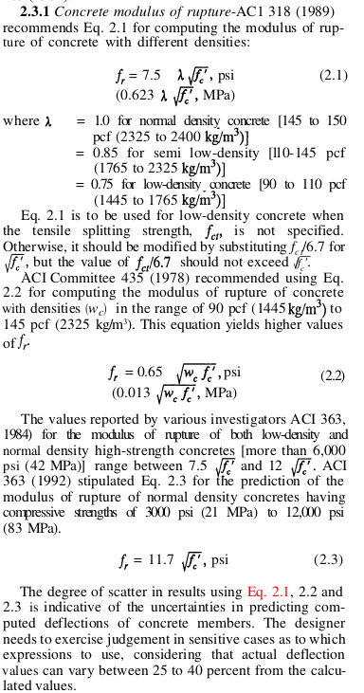
a (tension face to n.a.) | 70.548944519 | mm
Icr (Moment of inertia of cracked transformed section) | 94353477.087 | mm^4 | 9.4353477087E-05 | m^4
Area | 46451.52 | mm^2 | 0.04645152 | m^2

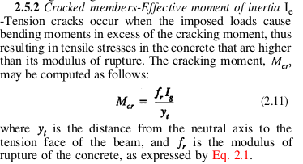
fc’ (specified compressive strength of concrete) | 31.6754795 | MPa | ft’ (specified tensile strength of concrete) | 2.8140486625 | MPa
fr (modulus of rupture of concrete) | 3.5063046335 | MPa | fr (modulus of rupture of concrete) | 1.0450903757 | MPa
yt (distance from centroidal axis of gross section, neglecting reinforcement, to extreme fiber in tension) | 152.4 | mm | yt (distance from centroidal axis of gross section, neglecting reinforcement, to extreme fiber in tension) | 152.4 | mm
Mcr_pos | 8.2739575343 | KN-m | Mcr_neg | -2.4661386536 | KN-m

